Metrics and Plots
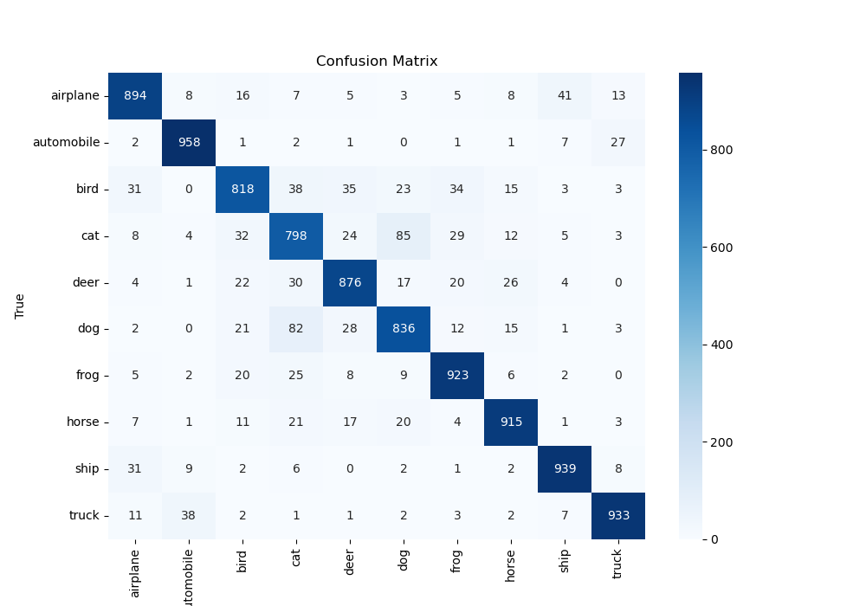
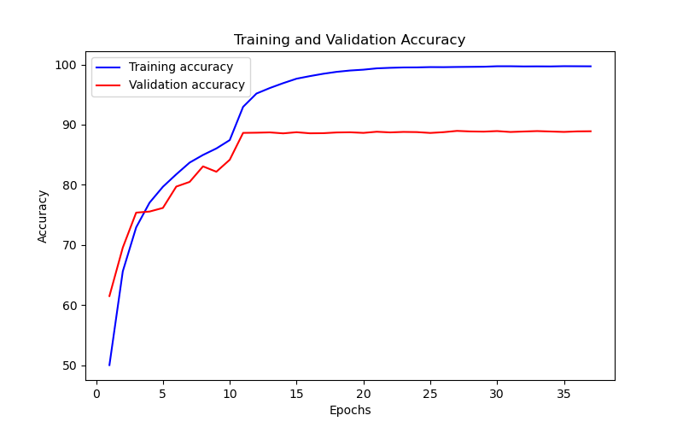
Epoch | Train Accuracy | Train Loss | Validation Accuracy | Validation Loss
1 | 50.02 | 1.131 | 61.5 | 1.092
2 | 65.62 | 0.895 | 69.56 | 0.858
3 | 72.92 | 0.723 | 75.37 | 0.702
4 | 77.02 | 0.644 | 75.55 | 0.71
5 | 79.67 | 0.585 | 76.15 | 0.705
6 | 81.74 | 0.533 | 79.7 | 0.595
7 | 83.69 | 0.475 | 80.48 | 0.56
8 | 84.96 | 0.452 | 83.06 | 0.505
9 | 86.04 | 0.422 | 82.17 | 0.541
10 | 87.43 | 0.372 | 84.16 | 0.469
11 | 92.96 | 0.173 | 88.63 | 0.359
12 | 95.17 | 0.138 | 88.66 | 0.365
13 | 96.09 | 0.116 | 88.71 | 0.378
14 | 96.9 | 0.091 | 88.55 | 0.398
15 | 97.64 | 0.07 | 88.74 | 0.42
16 | 98.07 | 0.056 | 88.56 | 0.436
17 | 98.46 | 0.048 | 88.58 | 0.454
18 | 98.78 | 0.04 | 88.7 | 0.49
19 | 99 | 0.034 | 88.73 | 0.498
20 | 99.14 | 0.029 | 88.63 | 0.524
21 | 99.36 | 0.02 | 88.82 | 0.518
22 | 99.45 | 0.016 | 88.71 | 0.515
23 | 99.51 | 0.015 | 88.79 | 0.518
24 | 99.52 | 0.017 | 88.76 | 0.522
25 | 99.57 | 0.015 | 88.62 | 0.52
26 | 99.56 | 0.016 | 88.75 | 0.527
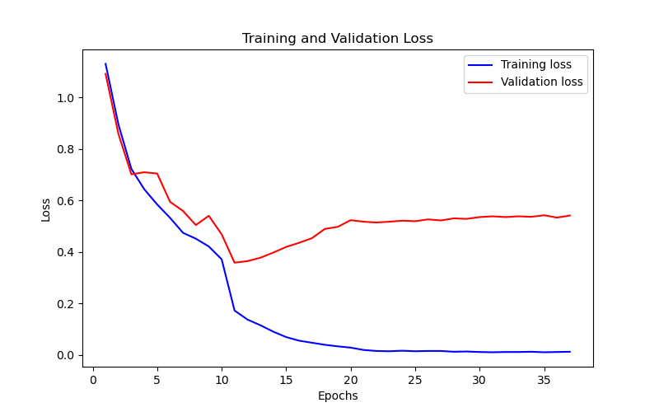
27 | 99.59 | 0.016 | 88.96 | 0.523
28 | 99.61 | 0.013 | 88.87 | 0.531
29 | 99.63 | 0.014 | 88.84 | 0.529
30 | 99.71 | 0.012 | 88.93 | 0.536
31 | 99.71 | 0.011 | 88.78 | 0.539
32 | 99.68 | 0.012 | 88.86 | 0.536
33 | 99.69 | 0.012 | 88.93 | 0.539
34 | 99.68 | 0.013 | 88.86 | 0.537
35 | 99.72 | 0.011 | 88.79 | 0.543
36 | 99.71 | 0.012 | 88.88 | 0.534
37 | 99.7 | 0.013 | 88.9 | 0.542

